Max Volumetric Speed
Max Volumetric Speed

Video Guide

References: | https://github.com/SoftFever/OrcaSlicer/wiki/Calibration#max-volumetric-speed

Legend:
 | DO NOT EDIT
 | Edit to Suit
 | User Input

Steps:
 | 1 | Open OrcaSlicer
 | 2 | Go to "Calibration" -> "More..." -> "Max Flowrate
 | 3 | Fill out "Max volumetric speed test" dialog
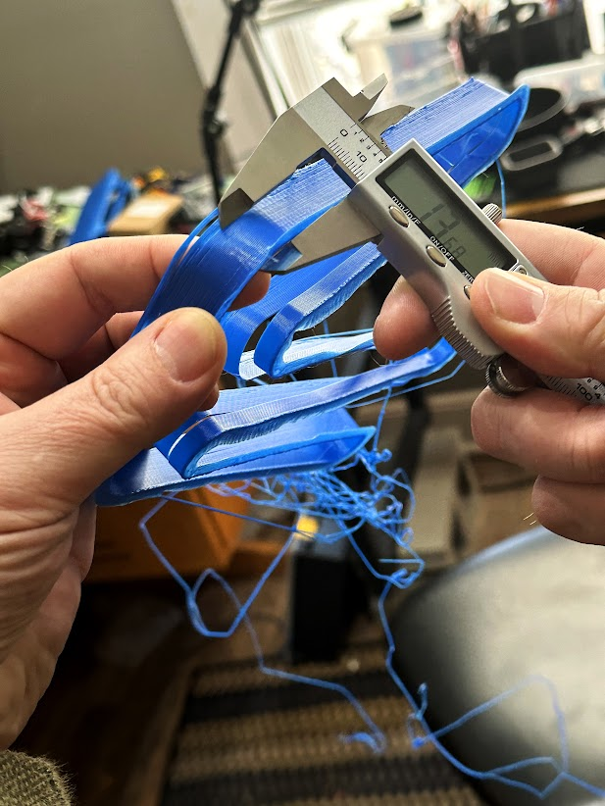
 | 4 | Print Model
 | 5 | Measure with Calipers to spot on model before the print starts to fail
 | 4 | Paste Max Flow Value into Orca Slicer Filament Section

 | max flow value = | start + (height-measured * step)

 | Max Flow Value = | Start + | (Height Measured * | step)
 | 18.615 | 5 | 27.23 | 0.5

 | 5% = | 17.68425
 | 10% = | 16.7535

Skew Correction
Skew Correction
References:
Klipper | https://www.klipper3d.org/Skew_Correction.html
Model | https://www.thingiverse.com/thing:2972743/
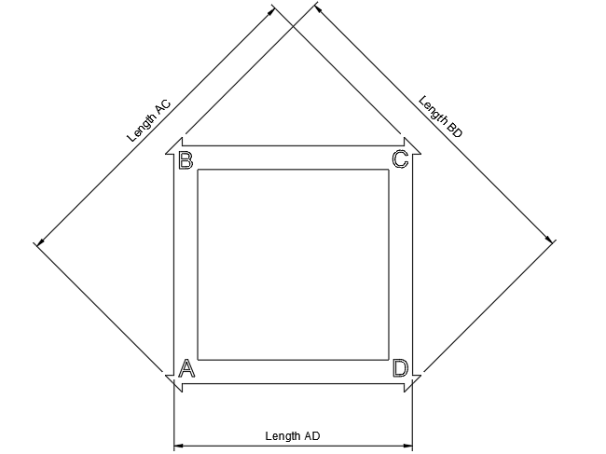
Video: | https://youtu.be/MejGEtRPQgI

Legend:
 | DO NOT EDIT
 | Edit to Suit
 | User Input

 | Initial | Verify
XY
Length AC | 141.21 | 141.06
Length BD | 140.97 | 141.05
Length AD | 104.77 | 104.33

XZ
Length AC | 141.98 | 141.65
Length BD | 141.63 | 141.31
Length AD | 104.9 | 104.87

YZ
Length AC | 141.54 | 141.15
Length BD | 141.33 | 141.06
Length AD | 104.83 | 104.22

COPY AND PASTE COMMAND BELOW TO START GCODE

 | SET_SKEW XY=141.21,140.97,104.77 XZ=141.98,141.63,104.9 YZ=141.54,141.33,104.83

RUN COMMAND:

 | GET_CURRENT_SKEW

Current Printer Skew:
XY Skew: | 0.00171 | radians | 0.1 | degrees
XZ Skew: | 0.002479 | radians | 0.14 | degrees
YZ Skew: | 0.001492 | radians | 0.09 | degrees

COPY AND PASTE COMMAND INTO CONSOLE TO TEST

XY Skew: | CALC_MEASURED_SKEW AC=141.06 BD=141.05 AD=104.33
XZ Skew: | CALC_MEASURED_SKEW AC=141.65 BD=141.31 AD=104.87
YZ Skew: | CALC_MEASURED_SKEW AC=141.15 BD=141.06 AD=104.22

CALC_MEASURED_SKEW: |  |  |  |  | radians | degrees
XY Skew: | 0.000071 | radians | 0 | degrees | -0.001639 | -0.1
XZ Skew: | 0.002415 | radians | 0.14 | degrees | -0.000064 | 0
YZ Skew: | 0.00064 | radians | 0.04 | degrees | -0.000852 | -0.05

